Percentile
Measure of Location of Data

Percentile - 4 Quadrants

 | Tells about the values exists within the range

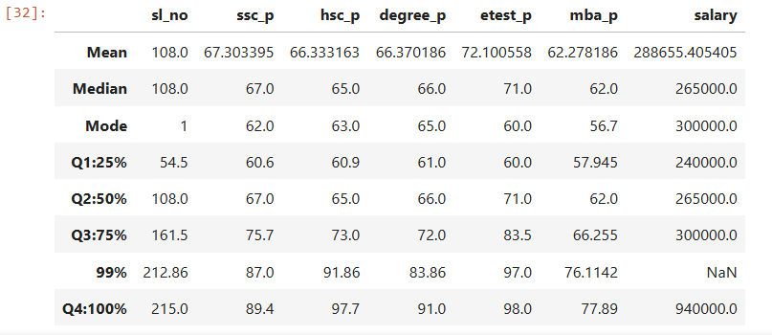

 | Academic | Percentile |  | Evaluation

 | 10th Percentage | Q1 : 25% | 25% of the students score ranges within 60.6 |  | 6.4% of the students scored between 61 - 67
 |  | Q2 : 50% | 50% of the students score ranges within 67 |  | 8.7% of the students scored between 67 - 75.7
 |  | Q3 : 75% | 75% of the students score ranges within 75.7 |  | 11.3% of the students scored between 75.7 - 87
 |  | 99% | 99% of the students score ranges within 87 |  | 2.4% of the students scored between 87 - 89.4
 |  | Q4 : 100% | 100% of the students score ranges within 89.4

 | 12th Percentage | Q1 : 25% | 25% of the students score ranges within 60.9 |  | 4.1% of the students scored between 60.9 - 65
 |  | Q2 : 50% | 50% of the students score ranges within 65 |  | 8% of the students scored between 65 - 73
 |  | Q3 : 75% | 75% of the students score ranges within 73 |  | 18.86% of the students scored between 73 - 91.86
 |  | 99% | 99% of the students score ranges within 91.86 |  | 5.85% of the students scored between 91.86 - 97.7
 |  | Q4 : 100% | 100% of the students score ranges within 97.7

 | Degree Percentage | Q1 : 25% | 25% of the students score ranges within 61 |  | 5% of the students scored between 61 - 66
 |  | Q2 : 50% | 50% of the students score ranges within 66 |  | 6% of the students scored between 66 - 72
 |  | Q3 : 75% | 75% of the students score ranges within 72 |  | 11.8% of the students scored between 72 - 83.86
 |  | 99% | 99% of the students score ranges within 83.86 |  | 7.14% of the students scored between 83.86 - 91
 |  | Q4 : 100% | 100% of the students score ranges within 91

 | Entrance Test Percentage | Q1 : 25% | 25% of the students score ranges within 60 |  | 11% of the students scored between 60 - 71
 |  | Q2 : 50% | 50% of the students score ranges within 71 |  | 12.5% of the students scored between 71 - 83.5
 |  | Q3 : 75% | 75% of the students score ranges within 83.5 |  | 13.5% of the students scored between 83.5 - 97
 |  | 99% | 99% of the students score ranges within 97 |  | 1% of the student scored between 97 - 98
 |  | Q4 : 100% | 100% of the students score ranges within 98

 | MBA Percentage | Q1 : 25% | 25% of the students score ranges within 57.9 |  | 4.1% of the students scored between 57.9 - 62
 |  | Q2 : 50% | 50% of the students score ranges within 62 |  | 4.2% of the students scored between 62 - 66.2
 |  | Q3 : 75% | 75% of the students score ranges within 66.2 |  | 9.6% of the students scored between 66.5 - 76.1
 |  | 99% | 99% of the students score ranges within 76.1 |  | 1.7% of the students scored between 76.1 - 77.8
 |  | Q4 : 100% | 100% of the students score ranges within 77.8

